P1-UC01
Use Case ID |  | P1-UC01
Description |  | Automate the process to copy boundary for 2018_OC2 boundary sheet to OC2_All_Rec

Sl.No | Steps | Screenshot
1 | Open the excel sheet named 2018_OC2 Boundary, select OC2-Template tab from path: \\uk.corporg.net\ngtdfs$\Group\OandT\OptRisk\Data_Analysis_WOKH\Customer Network Data\02 - Customers\OC2\OC2 Boundaries | 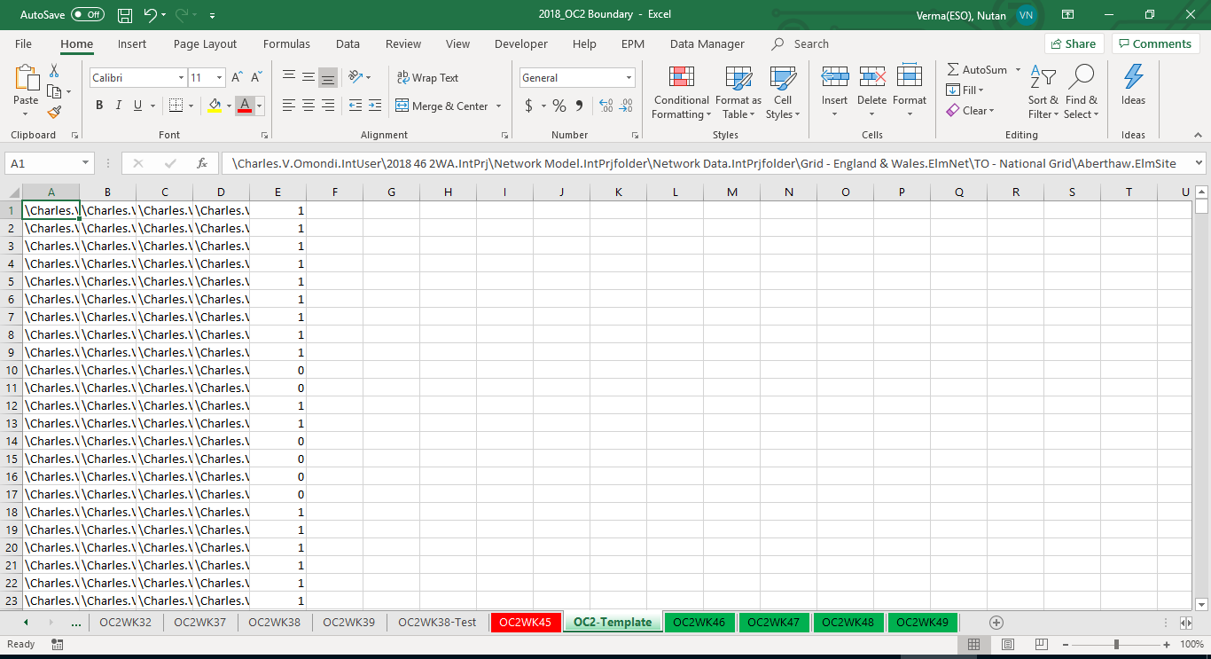 | 2020 20 2WA.IntPrj
2 | Replace the directory name with the current file directory. Select Replace all. | 
3 | In OC2 All_Rec boundary select all the columns and delete all. | 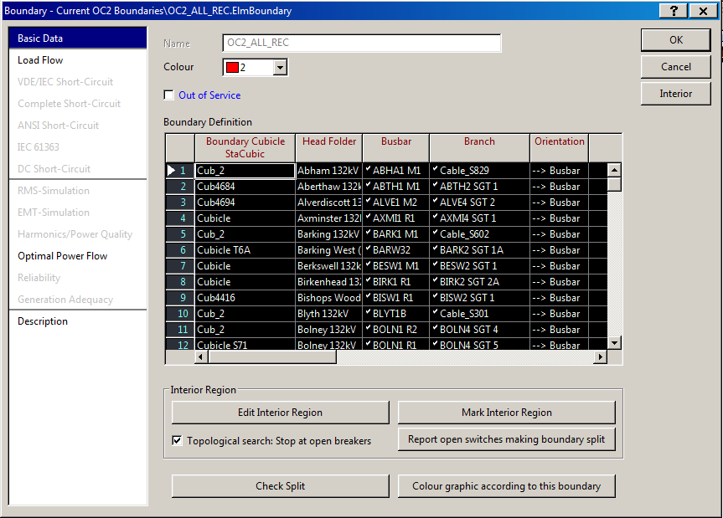
4 | Append 691 rows in the OC2_All_Rec boundary | 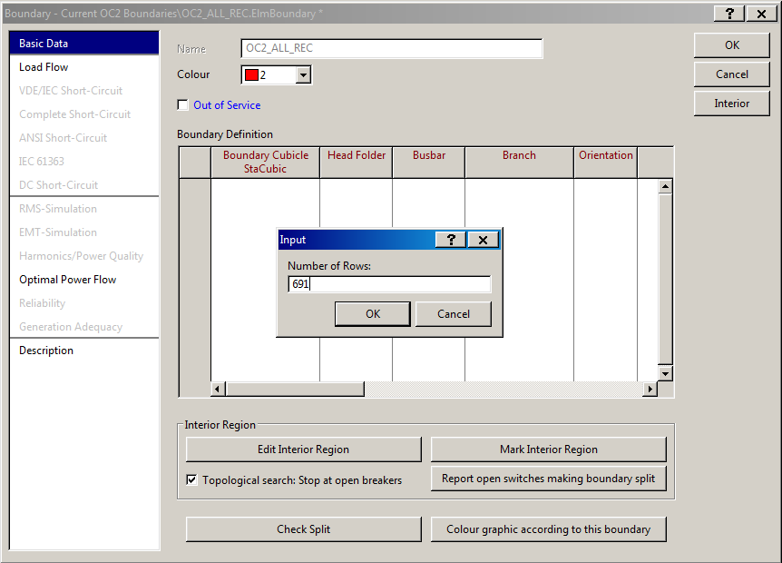
5 | copy all the data from 2018_OC2 Boundary and paste data in the OC2_All_Rec boundary | 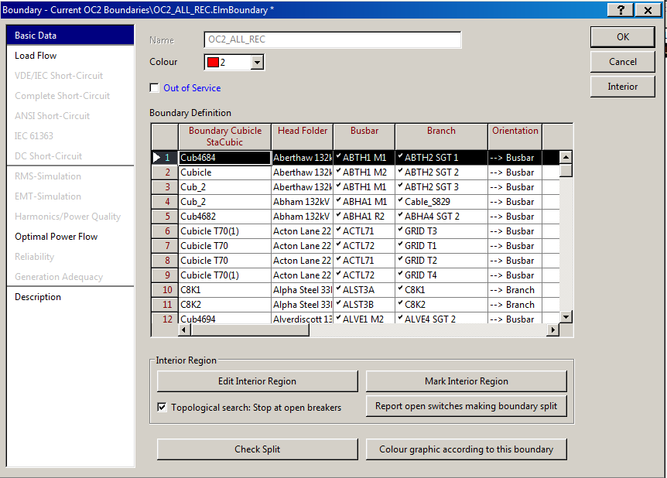

P1-UC02
Use Case ID |  | P1-UC02
Description |  | Automate the step of moving equipments.

Sl.No | Steps | Screenshot
1 | t-C622 In the active project go to Equipment Types\DNO - 05 - UKPN - Eastern\Line Types\t-C622 Move this equipment to Equipment Types\TO - National Grid\Line Types | 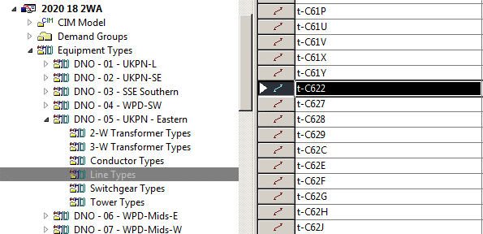 | 2020 20 2WA.IntPrj
2 | Culham JET In the active project go to folder Equipment Types\NEC - Technical Data\Culham JET Select all the three transformers in this folder and move it to Equipment Types\TO - National Grid\Transformer Types\-2-W Transformer Types | 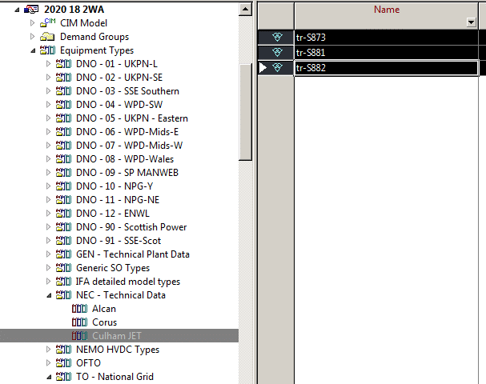
3 | C622-1 In the active project go to folder Network Model\Network Data\Grid - England & Wales\DNO - 05 - UKPN - Eastern\C622-1 And move it to Network Model\Network Data\Grid - England & Wales\TO - National Grid\Circuits - London/South East | 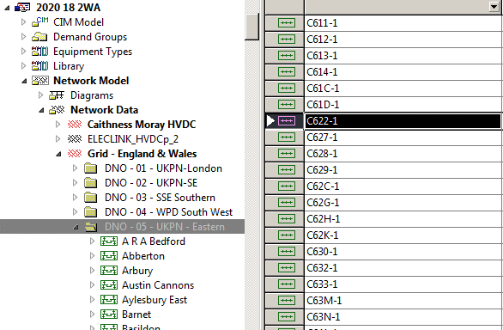
4 | Harker (132KV and 400KV only) In the active project go to folder Network Model\Network Data\Grid - Scotland\TO - Scottish Power Transmission Ltd\Harker Boundary Node Select Harker 132KV and Harker 400KV only and move it to location Network Model\Network Data\Grid - England & Wales\TO - National Grid | 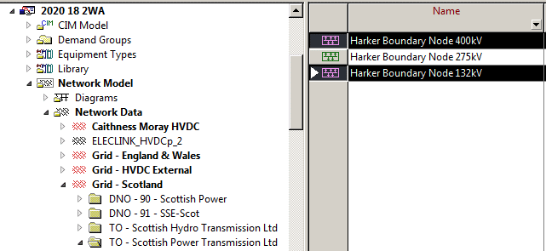
5 | Stella West Border In the active project go to Network Model\Network Data\Grid - Scotland\TO - Scottish Power Transmission Ltd\Stella West Border and move it to folder Network Model\Network Data\Grid - England & Wales\TO - National Grid | 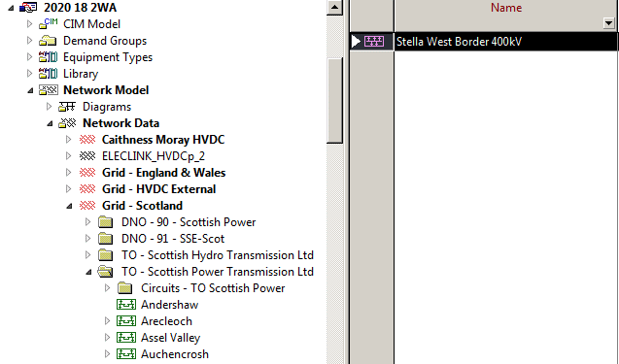
6 | tr-T105 In the active project go to Equipment Types\TO - Scottish Power Transmission Ltd\2-W Transformer Types\tr-T105 and move it to Equipment Types\TO - National Grid\Transformer Types\-2-W Transformer Types | 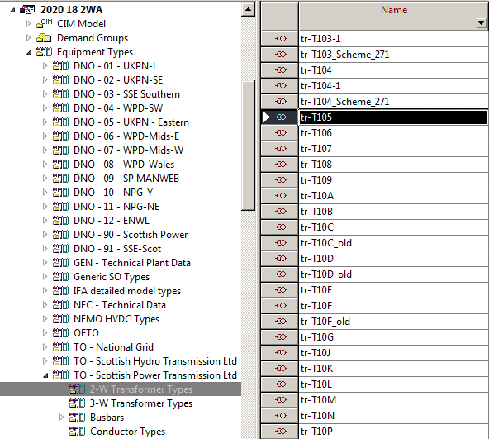
7 | tr-T106 In the active project go to Equipment Types\TO - Scottish Power Transmission Ltd\2-W Transformer Types\tr-T106 and move it to Equipment Types\TO - National Grid\Transformer Types\-2-W Transformer Types | 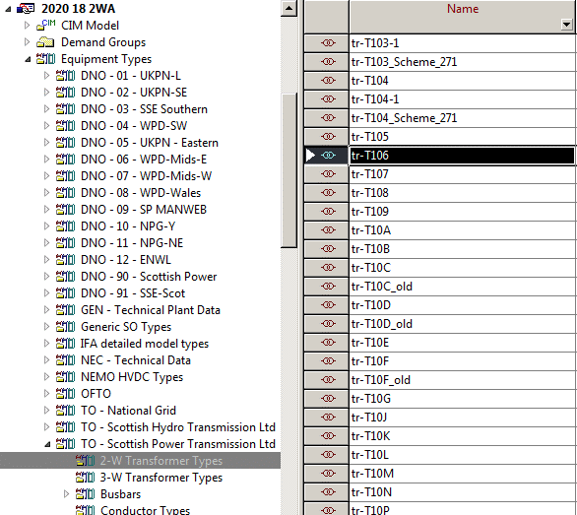
8 | Tr_Type In the active project go to Equipment Types\GE STATCOM Lib\External\Tr_Type move the type to Equipment Types\TO - National Grid\Transformer Types\-2-W Transformer Types | 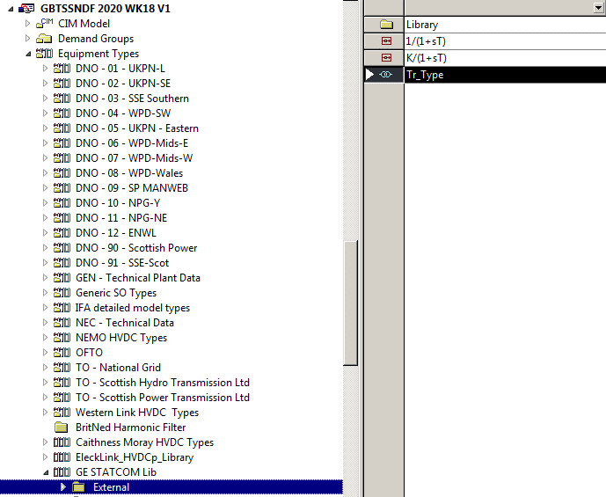

P1-UC03
Use Case ID |  | P1-UC03
Description |  | Automate the scheme splitting and consolidation process.

Sl.No | Steps | Screenshot
1 | In the active project go to the GBTSSNDF 2020 WK18 V1\Network Model\Network Data\Schemes\Equ-LF[EW]-Shc[rst]@OC2_ALL_REC | 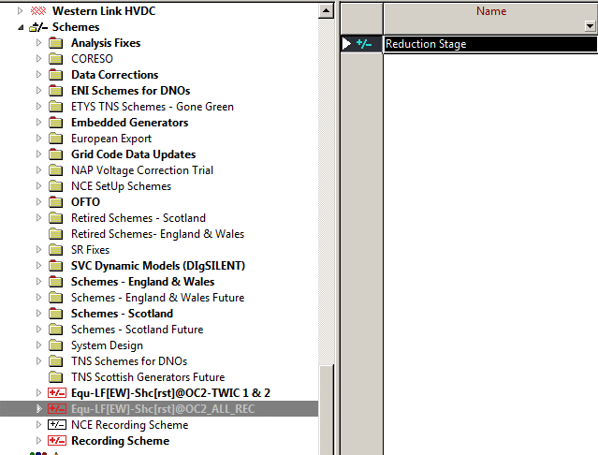 | GBTSSNDF 2020 WK18 V1.IntPrj
2 | Create the new -> expension stage in the folder and name it as Delete Tap Controllers. Give activation date 1 year ahead. A dialogue box will appear select NO. | 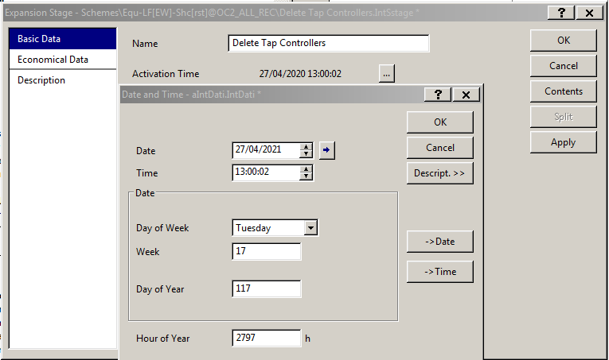
3 | Right click on reduction stage and select Split. Then select Delete Tap Controllers. Click OK | 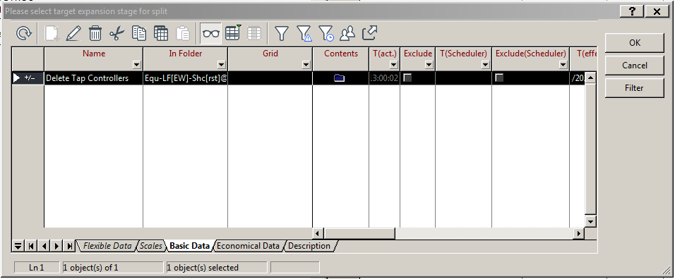
4 | Click on down arrow and select filters. Select all the tap controllers except 1st one. | 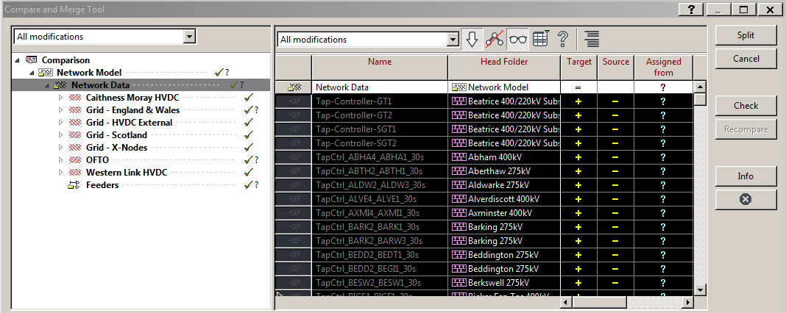
5 | Right click on selected Tap controllers and select assign with children from -> move select split. | 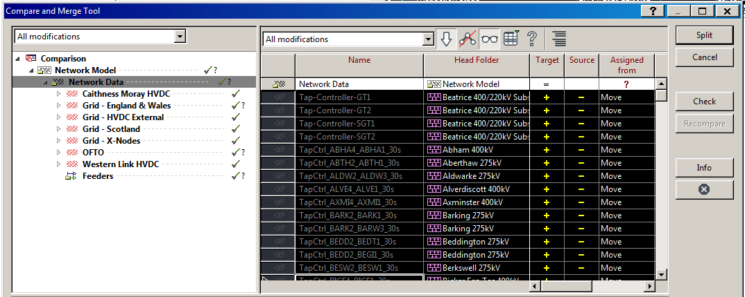
6 | Activate Scheme Run load flow and check error | 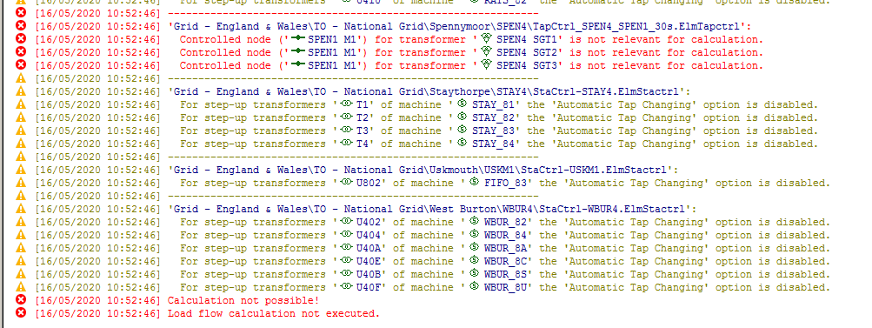
7 | Correct the SPEN error. Edit the object and in load flow change the setpoint as bus target voltage. Run load flow again | 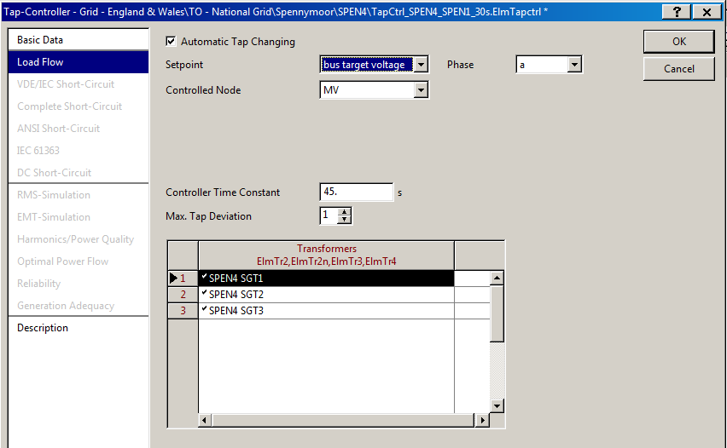
8 | If no error then consolidate the current study case A dialogue box will come. Select yes. | 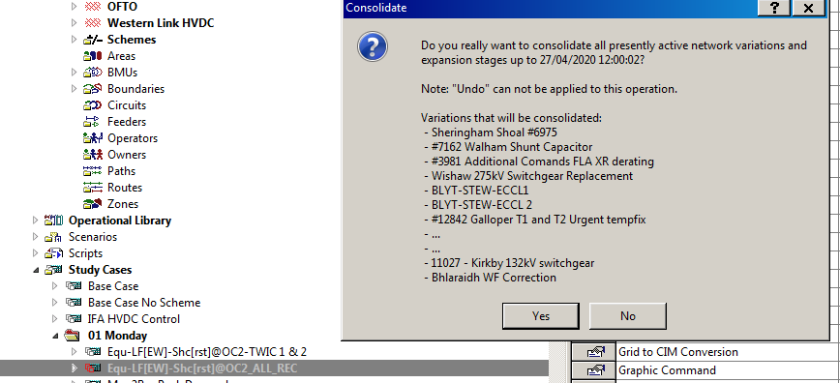

P1-UC04
Use Case ID |  | P1-UC04
Description |  | Automate the deletion process

Sl.No | Steps | Screenshot
1 | Delete all composite model from the network manager | 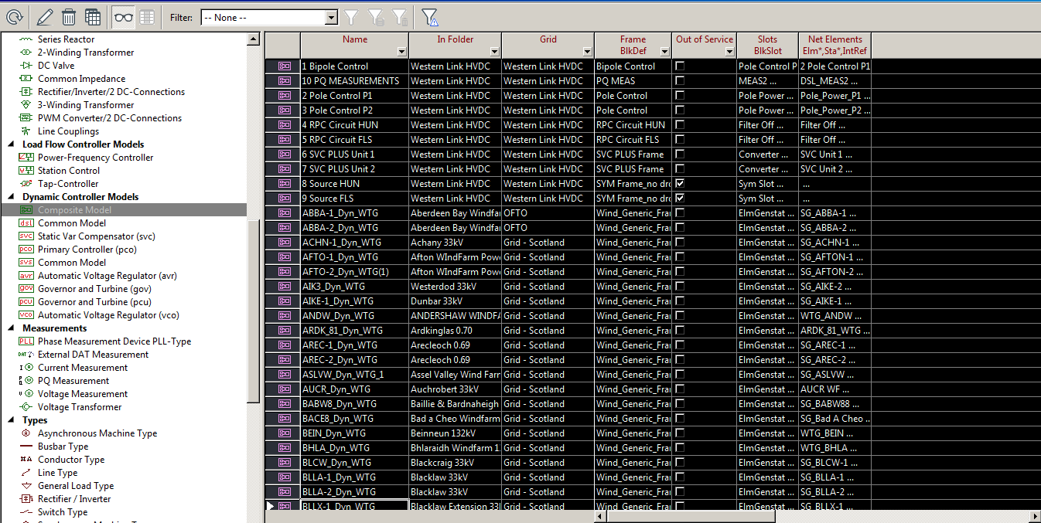 | 2020 20 2WA.IntPrj
2 | Automate the whole process of deletion. Refer the sheet Appendix V and the folders mark in Red needs to be deleted whereas the folder in Green should be kept
3 | Create intemediate versions while doing deletion. Demand Group deletion version Network Model deletion version After completion of deletion Version

P1-UC05
Use Case ID |  | P1-UC05
Description |  | Check the OC2 model

Sl.No | Steps | Screenshot
1 | At the end of the Process check weather the file is named properly and deletion done properly | 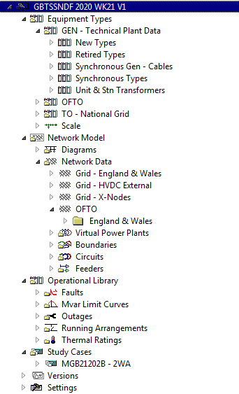 | GBTSSNDF 2020 WK21 V1(1).IntPrj

